Sheet4
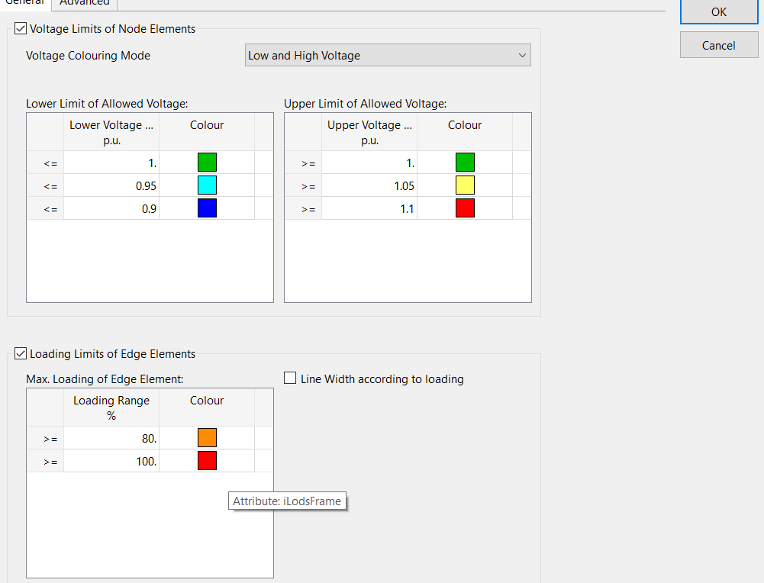
line loading | line | loading limits
trans loading | sub | loading limits
gene loading | sub | loading limits
low/high | sub | volltage limits
SSR | sub | bolean
TSA | line | loading limits
Exi loading | sub | loading limits
VSA | line | loading limits

